Demand forecast
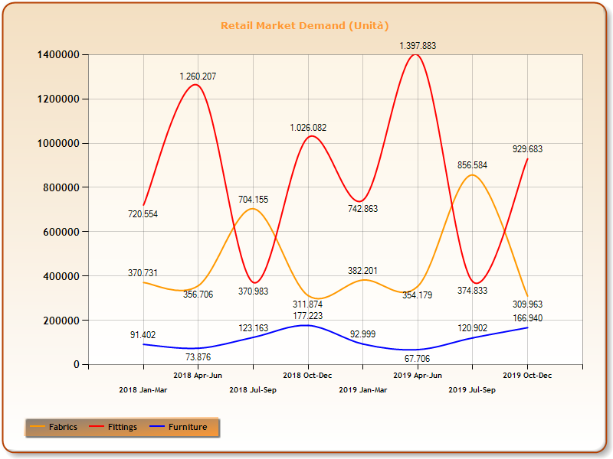

 | RETAIL MARKET DEMAND
 | quarter |  |  | Fabrics | Fittings | Furniture
 | Q1 |  |  | 370,731 | 720,554 | 91,402
 | Q2 |  |  | 356,706 | 1,260,207 | 73,876
 | Q3 |  |  | 704,155 | 370,983 | 123,163
 | Q4 |  |  | 311,874 | 1,026,082 | 177,223
 | Q5 |  |  | 382,201 | 742,863 | 92,999
 | Q6 |  |  | 354,179 | 1,397,883 | 67,706
 | Q7 |  |  | 856,584 | 374,833 | 120,902
 | Q8 |  |  | 309,963 | 929,683 | 166,940
 | Q9 |  |  | 400,547 | 739,605 | 96,282
 | Q10 |  |  | 366,211 | 1,438,832 | 74,011
 | Q11 |  |  | 821,626 | 398,500 | 128,240
 | Q12 |  |  | 324804 | 1122367 | 142883
 | Q13

numero periodi=4

nota:il periodo t=0 corrisponde all'inizio del Q9

FABRICS |  |  |  |  |  |  | FITTINGS |  |  |  |  |  | FURNITURE

 |  | M2018= | 435,867 |  |  |  |  |  | M2018= | 844,457 |  |  |  |  | M2018= | 116,416
 |  | M2019= | 475,732 |  |  |  |  |  | M2019= | 861,316 |  |  |  |  | M2019= | 112,137

 |  | INITIALIZATION HOLT-WINTERS |  |  |  |  |  |  | INITIALIZATION HOLT-WINTERS |  |  |  |  |  | INITIALIZATION HOLT-WINTERS

 |  | T(0) | M(0) | i= | S(0)i |  |  |  | T(0) | M(0) | i= | S(0)i |  |  | T(0) | M(0) | i= | S(0)i
 |  | 9966.3125 | 495664.375 | 1 | 0.82697846285 |  |  |  | 4214.75 | 869745 | 1 | 0.85787517513 |  |  | -1069.8125 | 109997.125 | 1 | 0.80723411907
 |  |  |  | 2 | 0.78143834969 |  |  |  |  |  | 2 | 1.5576459359 |  |  |  |  | 2 | 0.61918348145
 |  |  |  | 3 | 1.7080449961 |  |  |  |  |  | 3 | 0.43725117185 |  |  |  |  | 3 | 1.0680608364
 |  |  |  | 4 | 0.68353819138 |  |  |  |  |  | 4 | 1.1472277172 |  |  |  |  | 4 | 1.5055215631

 |  | PREVISION |  |  |  |  |  |  | PREVISION |  |  |  |  |  | PREVISION

 |  |  | t | P(t) |  |  |  |  |  | t | P(t) |  |  |  |  | t | P(t)
 |  | Q9 | 1 | 418145.68872 |  |  |  |  | Q9 | 1 | 749748.37359 |  |  |  | Q9 | 1 | 87929.843148
 |  | Q10 | 2 | 402907.26879 |  |  |  |  | Q10 | 2 | 1367884.9409 |  |  |  | Q10 | 2 | 66783.582351
 |  | Q11 | 3 | 897685.78604 |  |  |  |  | Q11 | 3 | 385825.73359 |  |  |  | Q11 | 3 | 114055.74683
 |  | Q12 | 4 | 366054.9513 |  |  |  |  | Q12 | 4 | 1017136.6829 |  |  |  | Q12 | 4 | 159160.54041
 |  | Q13 | 5 | 451113.39188 |  |  |  |  | Q13 | 5 | 764211.29117 |  |  |  | Q13 | 5 | 84475.486544

 | DATAS UPTATE |  |  |  |  |  |  | DATAS UPTATE |  |  |  |  |  | DATAS UPTATE
t | T(t) | M(t) | S(t) |  |  |  | t | T(t) | M(t) | S(t) |  |  | t | T(t) | M(t) | S(t)
1 | 4646.1350379 | 494990.33258 | 0.81809006263 |  |  |  | 1 | 1258.7915218 | 868047.83304 | 0.85495385755 |  |  | 1 | 1516.8462693 | 114100.63004 | 0.82553409876
2 | -3103.7075144 | 484136.78251 | 0.76892943817 |  |  |  | 2 | 14862.664405 | 896514.37033 | 1.5812819399 |  |  | 2 | 2494.9765712 | 117573.73691 | 0.62433464992
3 | -3103.7275219 | 481033.03498 | 1.708044925 |  |  |  | 3 | 14862.27765 | 911376.26123 | 0.4372509863 |  |  | 3 | 2494.8149348 | 120068.39021 | 1.0680593986
4 | -3790.9365355 | 476554.88943 | 0.68255250512 |  |  |  | 4 | 27885.079183 | 952284.14194 | 1.1629164368 |  |  | 4 | -4419.4912441 | 108734.59279 | 1.4097871994

PREVISION UPDATE |  |  |  |  |  |  | PREVISION UPDATE |  |  |  |  |  | PREVISION UPDATE
 | t | 1 | 2 | 3 | 4 |  |  | t | 1 | 2 | 3 | 4 |  | t | 1 | 2 | 3 | 4
 | P(t) |  |  |  |  |  |  | P(t) |  |  |  |  |  | P(t)
Q9 |  | - | - | - | - |  | Q9 |  | - | - | - | - | Q9 |  | - | - | - | -
Q10 |  | 390435.0967 | - | - | - |  | Q10 |  | 1354071.9308 | - | - | - | Q10 |  | 71588.431497 | - | - | -
Q11 |  | 861337.37607 | 821626.1367 | - | - |  | Q11 |  | 380655.74836 | 398500.67644 | - | - | Q11 |  | 125106.58254 | 128240.69055 | - | -
Q12 |  | 347872.2289 | 326682.97545 | 326682.93442 | - |  | Q12 |  | 1000180.8955 | 1062607.8556 | 1062606.5245 | - | Q12 |  | 178631.89318 | 184522.27823 | 184521.54818 | -
Q13 |  | 420150.4998 | 388450.1539 | 388450.08843 | 386763.49183 |  | Q13 |  | 746445.67807 | 804599.09606 | 804597.77343 | 837999.45665 | Q13 |  | 99202.794059 | 103240.19365 | 103239.6599 | 86115.67334

